Project Schedule - Gantt Chart
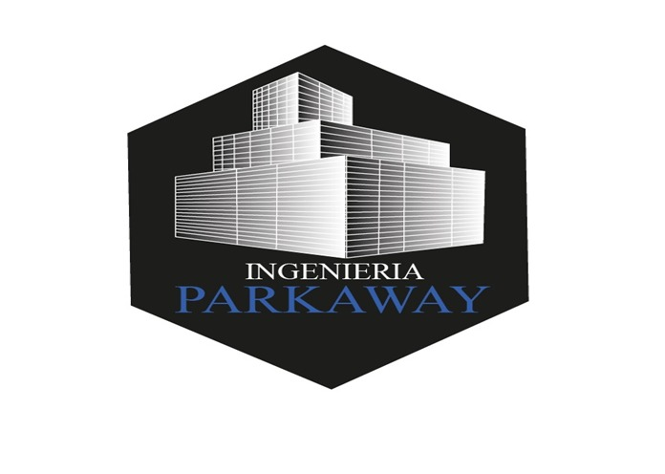

 |  |  |  | Action Plan 2022 |  |  |  |  |  |  |  |  |  |  |  |  |  |  |  |  |  |  |  |  |  |  |  |  |  |  |  |  |  |  |  |  |  |  |  |  |  |  |  |  |  |  |  |  |  |  |  |  |  |  |  |  |  |  | [42]
 |  |  |  | Coatings

 |  |  |  | Project Start: | 15-Jul-22
 |  |  |  | Display: | Weekly
 |  |  |  |  |  |  |  |  |  |  | 15 jul '22 | 22 jul '22 | 29 jul '22 | 5 ago '22 | 12 ago '22 | 19 ago '22 | 26 ago '22 | 2 sep '22 | 9 sep '22 | 16 sep '22 | 23 sep '22 | 30 sep '22 | 7 oct '22 | 14 oct '22 | 21 oct '22 | 28 oct '22 | 4 nov '22 | 11 nov '22 | 18 nov '22 | 25 nov '22 | 2 dic '22 | 9 dic '22 | 16 dic '22 | 23 dic '22 | 30 dic '22 | 6 ene '23 | 13 ene '23 | 20 ene '23 | 27 ene '23 | 3 feb '23 | 10 feb '23 | 17 feb '23 | 24 feb '23 | 3 mar '23 | 10 mar '23 | 17 mar '23 | 24 mar '23 | 31 mar '23 | 7 abr '23 | 14 abr '23 | 21 abr '23 | 28 abr '23 | 5 may '23 | 12 may '23 | 19 may '23 | 26 may '23 | 2 jun '23 | 9 jun '23 | 16 jun '23 | 23 jun '23 | 30 jun '23 | 7 jul '23 | 14 jul '23 | 21 jul '23 | 28 jul '23
WBS | Specialty | TASK DESCRIPTION (Actividad) | LEAD | PROGRESS | PLAN START | PLAN END | PLAN DAYS | ACTUAL START | ACTUAL END | ACTUAL DAYS | 1 | 2 | 3 | 4 | 5 | 6 | 7 | 8 | 9 | 10 | 11 | 12 | 13 | 14 | 15 | 16 | 17 | 18 | 19 | 20 | 21 | 22 | 23 | 24 | 25 | 26 | 27 | 28 | 29 | 30 | 31 | 32 | 33 | 34 | 35 | 36 | 37 | 38 | 39 | 40 | 41 | 42 | 43 | 44 | 45 | 46 | 47 | 48 | 49 | 50 | 51 | 52 | 53 | 54

 | Architecture |  | P Gonzalez
 | Diagramacion | Diagramas de Zonificacion |  | 0% | 15-Jul-22 | 18-Jul-22 | 4
 |  | Diagramas de Circulacion |  | 0% | 18-Jul-22 | 18-Jul-22 | 1
 |  | Diagramas de Funcionamiento |  | 0% | 19-Jul-22 | 19-Jul-22 | 1
 | Planos | Planta Arquitectonica General |  | 0% | 20-Jul-22 | 21-Jul-22 | 2
 |  | Sembrado de maquinaria, equipos y mesas de trabajo |  | 0% | 22-Jul-22 | 23-Jul-22 | 2
 |  | Áreas administrativas |  | 0% | 24-Jul-22 | 26-Jul-22 | 3
 |  | Áreas de operación |  | 0% | 27-Jul-22 | 28-Jul-22 | 2
 |  | Servicios (areas operartivas) |  | 0% | 2-Aug-22 | 3-Aug-22 | 2
 |  | Servicios (areas administrativas) |  | 0% | 4-Aug-22 | 5-Aug-22 | 2
 |  | Señalizacion Horizontal |  | 0% | 8-Aug-22 | 9-Aug-22 | 2
 |  | Cancelerias |  | 0% | 10-Aug-22 | 11-Aug-22 | 2
 |  | Mobiliario |  | 0% | 12-Aug-22 | 15-Aug-22 | 4
 |  | Instalaciones hidrosanitarios y electricas de servicios basicos |  | 0% | 16-Aug-22 | 17-Aug-22 | 2
 | Proyecto y Obra | Sistema contra incendio |  | 0% | 17-Aug-22 | 18-Aug-22 | 2
 |  | Sistema alarma y dteccion de incendio |  | 0% | 15-Aug-22 | 4-Nov-22 | 82
 | Arquitectura | Boletines complementarios |  | 0% | 15-Jul-22 | 15-Nov-22 | 124
 |  | As Built |  | 0% | 15-Jul-22 | 15-Nov-22 | 124

